AM Techniques
Types of Additive Manufacturing | Acronym | Category | Raw Material Type (Solid/Liquid) | Material List | Efficiency (%) | Post-Processing | Ref 1 | Ref 2 | Ref 3
Stereolithography | SLA | VAT Polymerization | Liquid | UV-curable photopolymer resin | 50 - 90 | Isopropyl alcohol (IPA), Ethanol
Digital Light Process | DLP | VAT Polymerization | Liquid | UV-curable photopolymer resin | 50 | Isopropyl alcohol (IPA), Ethanol | https://www.sciencedirect.com/topics/engineering/digital-light-processing
Carbon® Digital Light Synthesis | DLS | VAT Polymerization | Liquid | UV-curable photopolymer resin
Liquid-Crystal Display (Masked SLA) | LCD | VAT Polymerization | Liquid | UV-curable photopolymer resin |  | Isopropyl alcohol (IPA), Ethanol
Lithography-Based Ceramic Manufacturing | LCM | VAT Polymerization | Solid | Ceramics (Zirconia, Alumina, Silicon Nitride, Fused Silica, Hydroxyapatite) |  |  | https://www.3dprintingmedia.network/additive-manufacturing/am-technologies/what-is-lcm-technology/ | https://admateceurope.com/admaflex300
Lithography-Based Metal Manufacturing | LMM | VAT Polymerization | Solid | Metal (Stainless Steel 316L, Stainless Steel 17-4 PH, Inconel 625, Copper) |  |  | https://admateceurope.com/admaflex300
Selective Laser Sintering | SLS | Powder Bed Fusion | Solid | Plastic (Nylon) | 44 - 50 | Duster, sand blasting, compressed air | https://www.twi-global.com/technical-knowledge/faqs/what-is-powder-bed-fusion | Kellens, K., Renaldi, R., Dewulf, W., Kruth, J., & Duflou, J. R. (2014). Environmental impact modeling of selective laser sintering processes. Rapid Prototyping Journal, 20(6), 459–470. doi:10.1108/rpj-02-2013-0018 | https://doi.org/10.1016/j.procir.2016.11.153
Direct Metal Laser Sintering | DMLS | Powder Bed Fusion | Solid | Metal (Stainless Steel, Titanium, Aluminum, Cobalt Chrome, Steel) |  |  | https://www.twi-global.com/technical-knowledge/faqs/what-is-powder-bed-fusion
Laser Metal Fusion | LMF | Powder Bed Fusion | Solid | Metal (Copper, Stainless Steel, Titanium, Aluminum, Cobalt Chrome, Steel) |  |  | https://www.3deo.co/manufacturing/intro-to-metal-3d-printing-processes-powder-bed-fusion-dmls-sls-slm-lmf-dmp-ebm/ | https://www.trumpf.com/en_US/solutions/applications/additive-manufacturing/laser-metal-fusion/ | https://www.researchgate.net/publication/336119138_Powder_based_additive_manufacturing_methods_LMFLMD_-_requirements_comparison_and_applications
Laser Powder Bed Fusion | LPBF | Powder Bed Fusion | Solid | Metal (Aluminum, Cobalt chrome, Copper, Nickel, Stainless Steel, Titanium, Precious Metals) |  |  | https://all3dp.com/1/selective-laser-melting-guide/
Laser Beam Melting | LBM | Powder Bed Fusion | Solid | Metal (Steels, Coppy, Magnesium, Nickel, Titanium, Aluminum, Gold, Silver, Platinum based alloys) |  |  | https://ris.utwente.nl/ws/portalfiles/portal/13070547/Powder_Characterization_conference_paper.pdf
Selective Laser Melting | SLM | Powder Bed Fusion | Solid | Metal (Stainless Steel, Titanium, Aluminum, Cobalt Chrome, Steel) | 2 - 20% |  | https://www.twi-global.com/technical-knowledge/faqs/what-is-powder-bed-fusion | https://doi.org/10.1108/EC-03-2019-0106 | https://doi.org/10.2351/1.5040603
Selective Heat Sintering | SHS | Powder Bed Fusion | Solid | Plastic (Nylon) |  |  | https://www.twi-global.com/technical-knowledge/faqs/what-is-powder-bed-fusion
Selective Absorption Fusion | SAF | Powder Bed Fusion | Solid | Plastic (powder) |  |  | https://trimech.com/blog/benefits-of-saf-powder-bed-fusion-technology
Electron Beam Melting | EBM | Powder Bed Fusion | Solid | Metal (Titanium, Cobalt Chrome, Stainless Steel, Aluminum, and Copper) | 13 - 46 |  | https://www.twi-global.com/technical-knowledge/faqs/what-is-powder-bed-fusion
Other Powder Bed Fusion |  | Powder Bed Fusion | Solid | Metal, Plastic
Ambient Reactive Extrusion | ARE | Material Extrusion | Liquid | Plastic (liquid reactive polymer) |  |  | https://www.osti.gov/pages/servlets/purl/1456817
Amburg Plastic Freeforming | APF | Material Extrusion | Solid | Plastic granules, PE, PLA, PP, ABS, PMMA, PC/ABS, TPA, TPC, TPU, TPV, PEEK, PPS, PEEK, PEAK, PAI, PEI, etc. |  |  | https://www.arburg.com/en/products-and-services/additive-manufacturing/the-apf-process/
Fused Deposition Modeling | FDM | Material Extrusion | Solid | Plastic (ABS, Nylon, PC, AB) | 99
Liquid Deposition Modeling | LDM | Material Extrusion | Solid | Ceramics (Alumina, Zirconium, porcelain, Clay), Wood |  |  | https://www.3dwasp.com/en/delta-3d-printer-delta-wasp-2040-pro/ | https://www.3dprintingmedia.network/additive-manufacturing/am-technologies/what-is-liquid-deposition-modeling/#:~:text=What%20is%20Liquid%20Deposition%20Modeling,printers%20on%20the%20market%20today. | https://www.researchgate.net/publication/321657349_Liquid_Deposition_Modeling_a_promising_approach_for_3D_printing_of_wood
Fused Filament Fabrication | FFF | Material Extrusion | Solid | Plastic (ABS, Nylon, PC, AB), Ceramics (silicon carbide, alumina, zirconia), Metals (Copper, Titanium, SS) | 99 |  | https://3dceram.com/fff-by-3dceram/
Fused Granulate Fabrication | FGF | Material Extrusion | Solid | Plastic (Pellets) |  |  | https://juggerbot3d.com/fused-granulate-fabrication/#:~:text=Fused%20granulate%20fabrication%20(FGF)%20is,or%20%E2%80%9CPellet%203D%20Printing%E2%80%9D.
Pellet Additive Manufacturing | PAM | Material Extrusion | Solid | Plastic Pellets |  |  | https://www.aniwaa.com/guide/3d-printers/guide-to-pellet-additive-manufacturing/#:~:text=Pellet%20additive%20manufacturing%20or%20pellet,as%20feedstock%20instead%20of%20filament. | https://www.pollen.am/pam_series_mc/#specifications
Direct Ink Writing | DIW | Material Extrusion | Solid | Ceramic (monolithic and composites), plastic, metal |  |  | https://doi.org/10.1016/j.compositesb.2021.109249
MELD® | MELD | Material Extrusion | Solid | Metal (Al-SiC, Al-Fe, Al-W, Al-Mo, Cu-Tungsten, Cu-Tantalum, metal solid/powder) |  |  | https://www.meldmanufacturing.com/technology-overview/
Other Material Extrusion |  | Material Extrusion | Solid |  | 72 - 96 |  | https://www.lpfrg.com/wp-content/uploads/2019/10/Bolt-Pro-2019-Brochure.pdf
Metal Binder Jetting | MBJ | Binder Jetting | Solid | Metals: Copper, Stainless Steel, Plastics: ABS, PA, PC, Ceramics: Glass |  |  | https://www.poral.org/en/content/44-explanation-of-metal-binder-jetting-mbj | https://digitalmetal.tech/digital-metal-first-in-the-world-to-offer-pure-copper-as-printing-material-to-its-market-leading-high-precision-metal-binder-jetting-system/
Multi-Jet Fusion | MJF | Binder Jetting | Solid | Metals: Stainless Steel, Plastics: ABS, PA, PC, Ceramics: Glass | 50 - 86 |  | https://xometry.eu/en/multi-jet-fusion-mjf-3d-printing-technology-overview/
NanoParticle Jetting | NPJ | Material Jetting | Solid | Metal (316L Stainless steel), Ceramic (Zirconia, alumina) |  | Waterbath, Sintering in oven | https://www.additivemanufacturing.media/articles/am-101-nanoparticle-jetting-npj | https://www.xjet3d.com/wp-content/uploads/2022/04/Xjet_Marketing_brochure-2022-3.pdf
Thermal Inkjet Printing | TIP | Material Jetting | Liquid | Photopolymers, Inks (food, cultured meat, binding agents, fusing agents) | 50 - 60 |  | https://abcnews.go.com/Technology/PCWorld/story?id=3283941#:~:text=%E2%80%94%20%2D%2D%20As%20much,to%20research%20commissioned%20by%20Epson.
Polyjet | PolyJet | Material Jetting | Liquid | Plastics: PP, HDPE, PS, PMMA, PC, ABS, HIPS, EDP
Other Material Jetting |  | Material Jetting | Solid/Liquid | Metal, Plastic, Composite
Composite-Based Additive Manufacturing | CBAM | Sheet Lamination | Solid | Plastic (Thermoplastics: Standard, Engineering, High-performance),Fibers (Carbon, Glass) |  |  | https://www.aniwaa.com/product/3d-printers/impossible-objects-cbam-2/ | https://www.impossible-objects.com/cbam-printer
Ultrasonic Additive Manufacturing | UAM | Sheet Lamination | Solid | Paper, plastic, sheet metals |  | Heat treatment (hot isostatic pressing) | https://accelconf.web.cern.ch/medsi2020/papers/tupc06.pdf
Selective Lamination Composite Object Manufacturing | SLCOM | Sheet Lamination | Solid | Plastic (Nylon, PEEK, PEKK, PC), Fiber (Glass, Carbon, women aramid) |  |  | https://www.makepartsfast.com/selective-deposition-lamination/#:~:text=Selective%20Lamination%20Composite%20Object%20Manufacturing,fabric%20sheets%20from%20a%20roll.
Selective Deposition Lamination | SDL | Sheet Lamination | Solid | Paper |  |  | https://engineeringproductdesign.com/knowledge-base/sheet-lamination/ | http://www.ijasret.com/VolumeArticles/FullTextPDF/371_ijasret85854.pdf
Laminated Object Manufacturing | LOM | Sheet Lamination | Solid | Paper, plastic, sheet metals |  | Densification | https://doi.org/10.1016/S1359-835X(98)00088-8 | https://doi.org/10.1016/S0924-0136(03)00690-3
Electrophoretic Deposition | EPD | Sheet Lamination | Solid | Metal, Carbon nanotubes (CNT), Ceramics |  |  | https://www.sciencedirect.com/science/article/pii/B9780444531223500076 | https://www.sciencedirect.com/topics/chemistry/electrophoretic-deposition
Other Sheet Lamination |  | Sheet Lamination | Solid |  | 4 - 10%
Other Direct Energy Deposition |  | Direct Energy Deposition (DED) | Solid | Metal
Direct Metal Deposition | DMD | Direct Energy Deposition (DED) | Solid | Metal (Cobalt Chrome, Titanium)
Laser-Engineered Net Shaping | LENS | Direct Energy Deposition (DED) | Solid | Metal (Cobalt Chrome, Titanium)
Laser Cladding |  | Direct Energy Deposition (DED) | Solid | Metal (Cobalt Chrome, Titanium)
Laser Metal Deposition | LMD | Direct Energy Deposition (DED) | Solid | Metal (Cobalt Chrome, Titanium)
Cold Spray Additive Manufacturing | CSAM | Direct Energy Deposition (DED) | Solid | Metal, Plastic | 2 - 95% |  | https://scholar.google.com/citations?user=uXBIwDsAAAAJ&hl=en | https://digital.library.unt.edu/ark:/67531/metadc663892/m2/1/high_res_d/1951.pdf
Direct Metal Tooling® | DMT | Direct Energy Deposition (DED) | Solid | Metal (Fe, Ti, Ni, Co, Cu-based Alloys) |  |  | http://www.insstek.com/content/dmt_tech | Direct Metal Tooling® | DMT | Direct Energy Deposition (DED) | Solid | Metal (Fe, Ti, Ni, Co, Cu-based Alloys) | http://www.insstek.com/content/dmt_tech | Direct Metal Tooling® | DMT | Direct Energy Deposition (DED) | Solid | Metal (Fe, Ti, Ni, Co, Cu-based Alloys) | http://www.insstek.com/content/dmt_tech | Direct Metal Tooling® | DMT | Direct Energy Deposition (DED) | Solid | Metal (Fe, Ti, Ni, Co, Cu-based Alloys) | http://www.insstek.com/content/dmt_tech | Direct Metal Tooling® | DMT | Direct Energy Deposition (DED) | Solid | Metal (Fe, Ti, Ni, Co, Cu-based Alloys) | http://www.insstek.com/content/dmt_tech | Direct Metal Tooling® | DMT | Direct Energy Deposition (DED) | Solid | Metal (Fe, Ti, Ni, Co, Cu-based Alloys) | http://www.insstek.com/content/dmt_tech | Direct Metal Tooling® | DMT | Direct Energy Deposition (DED) | Solid | Metal (Fe, Ti, Ni, Co, Cu-based Alloys) | http://www.insstek.com/content/dmt_tech | Direct Metal Tooling® | DMT | Direct Energy Deposition (DED) | Solid | Metal (Fe, Ti, Ni, Co, Cu-based Alloys) | http://www.insstek.com/content/dmt_tech | Direct Metal Tooling® | DMT | Direct Energy Deposition (DED) | Solid | Metal (Fe, Ti, Ni, Co, Cu-based Alloys) | http://www.insstek.com/content/dmt_tech | Direct Metal Tooling® | DMT | Direct Energy Deposition (DED) | Solid | Metal (Fe, Ti, Ni, Co, Cu-based Alloys) | http://www.insstek.com/content/dmt_tech | Direct Metal Tooling® | DMT | Direct Energy Deposition (DED) | Solid | Metal (Fe, Ti, Ni, Co, Cu-based Alloys) | http://www.insstek.com/content/dmt_tech | Direct Metal Tooling® | DMT | Direct Energy Deposition (DED) | Solid | Metal (Fe, Ti, Ni, Co, Cu-based Alloys) | http://www.insstek.com/content/dmt_tech | Direct Metal Tooling® | DMT | Direct Energy Deposition (DED) | Solid | Metal (Fe, Ti, Ni, Co, Cu-based Alloys) | http://www.insstek.com/content/dmt_tech | Direct Metal Tooling® | DMT | Direct Energy Deposition (DED) | Solid | Metal (Fe, Ti, Ni, Co, Cu-based Alloys) | http://www.insstek.com/content/dmt_tech | Direct Metal Tooling® | DMT | Direct Energy Deposition (DED) | Solid | Metal (Fe, Ti, Ni, Co, Cu-based Alloys) | http://www.insstek.com/content/dmt_tech | Direct Metal Tooling® | DMT | Direct Energy Deposition (DED) | Solid | Metal (Fe, Ti, Ni, Co, Cu-based Alloys) | http://www.insstek.com/content/dmt_tech | Direct Metal Tooling® | DMT | Direct Energy Deposition (DED) | Solid | Metal (Fe, Ti, Ni, Co, Cu-based Alloys) | http://www.insstek.com/content/dmt_tech | Direct Metal Tooling® | DMT | Direct Energy Deposition (DED) | Solid | Metal (Fe, Ti, Ni, Co, Cu-based Alloys) | http://www.insstek.com/content/dmt_tech | Direct Metal Tooling® | DMT | Direct Energy Deposition (DED) | Solid | Metal (Fe, Ti, Ni, Co, Cu-based Alloys) | http://www.insstek.com/content/dmt_tech | Direct Metal Tooling® | DMT | Direct Energy Deposition (DED) | Solid | Metal (Fe, Ti, Ni, Co, Cu-based Alloys) | http://www.insstek.com/content/dmt_tech | Direct Metal Tooling® | DMT | Direct Energy Deposition (DED) | Solid | Metal (Fe, Ti, Ni, Co, Cu-based Alloys) | http://www.insstek.com/content/dmt_tech | Direct Metal Tooling® | DMT | Direct Energy Deposition (DED) | Solid | Metal (Fe, Ti, Ni, Co, Cu-based Alloys) | http://www.insstek.com/content/dmt_tech | Direct Metal Tooling® | DMT | Direct Energy Deposition (DED) | Solid | Metal (Fe, Ti, Ni, Co, Cu-based Alloys) | http://www.insstek.com/content/dmt_tech | Direct Metal Tooling® | DMT | Direct Energy Deposition (DED) | Solid | Metal (Fe, Ti, Ni, Co, Cu-based Alloys) | http://www.insstek.com/content/dmt_tech | Direct Metal Tooling® | DMT | Direct Energy Deposition (DED) | Solid | Metal (Fe, Ti, Ni, Co, Cu-based Alloys) | http://www.insstek.com/content/dmt_tech | Direct Metal Tooling® | DMT | Direct Energy Deposition (DED) | Solid | Metal (Fe, Ti, Ni, Co, Cu-based Alloys) | http://www.insstek.com/content/dmt_tech | Direct Metal Tooling® | DMT | Direct Energy Deposition (DED) | Solid | Metal (Fe, Ti, Ni, Co, Cu-based Alloys) | http://www.insstek.com/content/dmt_tech | Direct Metal Tooling® | DMT | Direct Energy Deposition (DED) | Solid | Metal (Fe, Ti, Ni, Co, Cu-based Alloys) | http://www.insstek.com/content/dmt_tech | Direct Metal Tooling® | DMT | Direct Energy Deposition (DED) | Solid | Metal (Fe, Ti, Ni, Co, Cu-based Alloys) | http://www.insstek.com/content/dmt_tech | Direct Metal Tooling® | DMT | Direct Energy Deposition (DED) | Solid | Metal (Fe, Ti, Ni, Co, Cu-based Alloys) | http://www.insstek.com/content/dmt_tech | Direct Metal Tooling® | DMT | Direct Energy Deposition (DED) | Solid | Metal (Fe, Ti, Ni, Co, Cu-based Alloys) | http://www.insstek.com/content/dmt_tech | Direct Metal Tooling® | DMT | Direct Energy Deposition (DED) | Solid | Metal (Fe, Ti, Ni, Co, Cu-based Alloys) | http://www.insstek.com/content/dmt_tech
Electron Beam Additive Manufacturing | EBAM® | Direct Energy Deposition (DED) | Solid | Metal (Titanium, Inconel 600, 625, 718, Nickel and Copper Nickel Alloys, Stainless Steel) |  | Heat treatment, machining, inspection | https://www.sciaky.com/additive-manufacturing/what-is-ded-3d-printing
Rapid Plasma Deposition | RPD | Direct Energy Deposition (DED) | Solid | Metal (Titanium wire) |  |  | https://www.businesswire.com/news/home/20190617005184/en/Norsk-Titanium-Announces-Larger-Capacity-Rapid-Plasma-Deposition%E2%84%A2-RPD%E2%84%A2-Machine | https://www.norsktitanium.com/technology#process
Wire Arc Additive Manufacturing | WAAM | Direct Energy Deposition (DED) | Solid | Metal | >99% | Heat treatment, polishing, painting | https://www.ramlab.com/resources/waam-101/

CREATING A GENERIC ADDITIVE MANUFACTURING WASTE STREAM
Major Tasks
- Identify and categorize AM Processes (23 so far)
- Process Efficiencies of each AM Processes (Excluding failure rate)
- Post-processing (Washing, Machining, Heat Treatment, Cleaning, ...)
Additional Questions
- Boundary of analysis? US Only?
- Estimated number of AM products synthesized for a given year?
- Total annual waste generated from AM in general?
- Usage rate of each method? If unavailable, try the 7 categories instead.
- Data on the amount of waste generated for each method? (rare)
- What kind of material can be found in the waste?
- Any EoL or manufacturing emission data?
Next Steps (Generic Scenario Analysis on End-of-Life of Additive Manufacturing Techniques)
- Illustrate the connection between manufacturing, usage, transportation, and the EoL stages
- Facility-level EoL operation information
- Identify Releases, Emissions, Occupational Hazards

AM End-of-Life Diagram
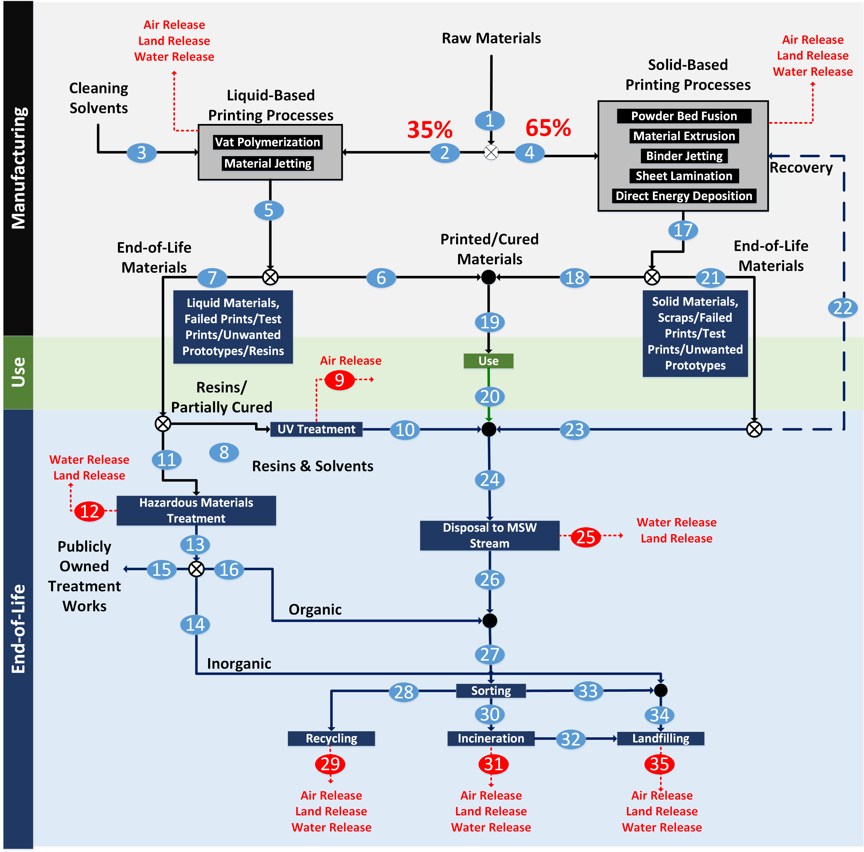
Total 3D Printers: 870,000 units (Wohlers Associate Inc)
Typical Consumption: 12 kg materials/(operator*yr) (Filamentive Research)
Waste rate: 1 - 40% (Most common is 10%)

References
Number | Title | Author(s) | Date | Notes | URL
1 | Extending Cellulose-Based Polymers Application in Additive Manufacturing Technology: A Review of Recent Approaches | Mohan, Teong, Bakir, Sajab, and Kaco | 2020 | A review paper that discussed AM technologies. Polymer shows major contribution in AM with 51% contribution, 29% metal/polymer composite, 20% metal for manufactured parts. Manufacturing product compositions: Functional parts = 33.8%, Fit and Assembly = 16%, Education = 10.7%, Visual Aids = 7.3%, Models = 7.3%. Approximately 1.5 - 4% (5-13 million tons of plastics are dumped into the ocean every year).
2 | Additive Manufacturing Waste Management System - Plastic Extrusion Process | Bennett, Liebrecht, Lyogky, Woods | 2022 | Unused/rejected 3D printed materials are thrown away via landfill, recycling centers, or upcycled by hobbyist with homemade extrusion (Not practical for general population). This work also proposed AM waste recycling designs using PLA and PET (recycled) provided by the user
3 | Impact of 3D Printing on Global Supply Chains by 2020 | Bhasin and Bodla | 2014 | 3D printing can reduce supply chain costs by 50-90%. Comparison of traditional manufacturing vs 3D printing costs is shown. Note: Cost can correlate to an approximate mass of materials used.
4 | Is 3D Printing Wasteful? The Facts Explained | Printing It 3D | 2022 | Most waste resulted from printing errors. Not all recycling centers handle filament recycling. 3D printing waste is recyclable and the filaments can be made from various plant-based and recycled plastics. The recycled plastic wastes include (1) PET, (2) HDPE, (5) PP, and (6) PS. All filaments are recyclable, but curbside recyclers do not handle them. They are treated as plastic number 7, despite being made out of 1,2, 5, and 6. Conversly, PLA-based filament can be recycled. Some municipalities do not accept filaments in curbside recycling bins because these plastics have different melting points, leading to high recycling cost for recyclers. There are facilities that specifically recycle PLA. Filament recycler can also be used to recycle failed prints. | https://printingit3d.com/is-3d-printing-wasteful-the-facts-explained/#:~:text=3D%20Printing%20Wasteful%3F-,The%20Facts%20Explained,10%20million%20pounds)%20of%20waste.
5 | Sustainable advances in SLA/DLP 3D printing materials and processes | Maines, Porwal, Ellison, and Reineke | 2021 | Focused greatly on reactions with potentials for enhancing sustainability, as well as how the final material properties are affected.
6 | Additive Manufacturing | Douglas Thomas (NIST) | 2020 | Listed NAICS Codes for industries that deal with additive manufacturing (Motor vehicles, aerospace, industry/business machines, medical/dental, government/military, architectural, consumer products/electronics, academic and others). AM makes up 0.02% of the total share of the above industries combined ($498 million of AM based on $2.29 million total in the US). | https://www.nist.gov/el/applied-economics-office/manufacturing/topics-manufacturing/additive-manufacturing
7 | The 3D Printing Waste Problem | Ravi Toor (Filamentive) | 2019 | Based on a survey of 200 3D printing users (Filamentive Research), 52% of the users responded a waste rate of 6 - 19%, 24% responded with 1 - 5% waste, 20% responded with 20 - 39% waste, and 4% responded with greater than 40% waste rate. In 2021, Filamentive approximated that 10% of 3D prints become waste. If we determine the amount of 3D printers used in the US (or any region), as well as the average 3D printer use, we can estimate the amount of yearly generated waste. Filamentative estimated that, assuming 232,000 3D printers are installed in the UK, with annual filament use rate of 12 kg/yr, then the estimated waste is 278,400 kg. The largest cause(s) of 3D printing waste came from failed prints > support structures > test prints > unwanted protypes, and other. | https://www.filamentive.com/the-3d-printing-waste-problem/
8 | What to do with Failed Prints and 3D Printing Waste | Ravi Toor (Filamentive) | 2019 | This is a prototype process that is not implemented nationwide. It showed that it is possible to recycle 3D printing waste into filaments. Old 3D printed parts can be shredded, dried, and melted for extrusion into filaments. The filament reel can be fed into printers and reused. | https://www.filamentive.com/what-to-do-with-failed-prints-and-3d-printing-waste/
9 | 3D Printing: Overview, Impacts, and the Federal Role | Sargent and Schwartz (Congressional Research Service) | 2019 | 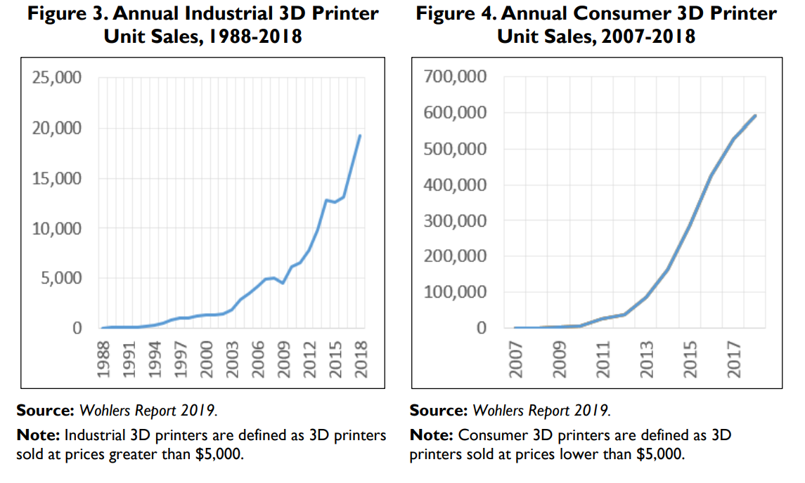 19,285 industrial 3D printers, 591,079 consumer 3D printers were sold in 2018. More than 140,000 industrial 3D printers and 2 million consumer 3D printers have been sold worldwide
10 | 3D printer selection: a decision-making evaluation and ranking model | Roberson, Espalin, and Wicker | 2013 | An efficiency study for various printers. Material Extrusion (Dimension's uPrint Plus, Bits from Bytes's 3D Touch, MakerBot's Replicator) has a waste rate between 14 - 28%. For sheet lamination, Solido's SD300 Pro has a waste rate ranging from 90 - 96%. Vat polymerization/sheet lamination (3D Systems' V-Flash FTI 230) has a waste rate ranging between 16 - 17
11 | Influence of Material-Related Aspects of Additive and Subtractive Ti-6Al-4V Manufacturing on Energy Demand and Carbon Dioxide Emissions | Priarone, Ingarao, di Lorenzo, and Settineri | 2016 | Material usage rate comparison between conventional machining vs additive manufacturing (Electron Beam Melting - EBM). The material waste rate range between 13 - 46%
12 | America's Garage Hobbyists Fight the Pandemic with 3D Printers | Jeff Green (Bloomberg) | 2020 | Terry Wohlers estimated that about 870,000 3D printers are being operated in the US, as of 2020 | https://www.bloomberg.com/news/articles/2020-04-22/america-s-garage-hobbyists-fight-the-pandemic-with-3d-printers

